Quoting Request
PROFORMA INVOICE
PROFORMA INVproOICE
 |  |  | Shipper: | SHENZHEN AMB TECHNOLOGY CO.,LTD.
 |  |  | Contact Person: | Kevin Zheng
Referencia: |  |  | Add: Bldg 3,Huaqiang Industrial Park,Qingfeng Road,Baolong Community,Longgang,Shenzhen
Date: |  |  | 518116 P.R.C.
P.O.#: |  |  | Email: sales@szamb.com
Invoice: |  | S0320230208 | Tel: +86 755 89341521 |  | Fax: +86 755 89301109
Delivery Terms: |  | CIF to San Antonio Seaport
Delivery Date: |  |  | Receiver: | Comercial TSA ltda
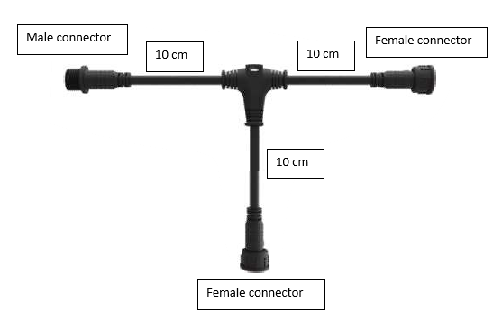
Price Terms: |  | 30% in advance, 70% when good arrive to Chilean SeaPort | Contact Person: Nicolas Oelckers
Payment Terms: |  |  | Add:
 |  |  | Email: nicolas@safratec.com |  | Tel: | +56 9 9218 3615
ID | Item Code | Description | Product Picture | Unit | Q'ty | Unit Price (USD) | Amount (USD)
 |  |  | 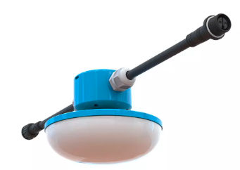

 |  |  |  | Total: |  | CIF | US$0.00


Tips:
Customer is responsible for all banking charges incurred from local bank and should not deduct from the order amount.
Bank Information:
Beneficiary Company: Shenzhen AMB Technology Co.,Ltd
Bank name: BANK OF NINGBO, SHENZHEN BRANCH
Account Number: 7305 2025 0000 25371
SWIFT Number: BKNBCN2NSHE
Bank Address: 4/F, HUANGTING PRODIUM BUILDING, JINTIAN ROAD, FUTIAN DISTRICT, SHENZHEN
 | Authorised Signature(s) |  |  |  | Authorised Signature(s)
 |  |  |  |  | Kevin Zheng
 | Comercial TSA ltda |  |  |  | SHENZHEN AMB TECHNOLOGY CO.,LTD.

Quoting Request Tube
PROFORMA INVOICE
PROFORMA INVproOICE
 |  |  | Shipper: | SHENZHEN AMB TECHNOLOGY CO.,LTD.
 |  |  | Contact Person: | Kevin Zheng
Referencia: |  | PROYECTO ARIZTIA 2024 | Add: Bldg 3,Huaqiang Industrial Park,Qingfeng Road,Baolong Community,Longgang,Shenzhen
Date: |  | 2024-01-26 | 518116 P.R.C.
P.O.#: |  | N# 20240126ng | Email: sales@szamb.com
Invoice: |  | S0320230208 | Tel: +86 755 89341521 |  | Fax: +86 755 89301109
Delivery Terms: |  | CIF to San Antonio Seaport
Delivery Date: |  |  | Receiver: | Comercial TSA ltda
Price Terms: |  | 30% in advance, 70% when good arrive to Chilean SeaPort | Contact Person: Nicolas Oelckers
Payment Terms: |  |  | Add:
 |  |  | Email: nicolas@tsachile.com |  | Tel: | +56 9 9218 3615
ID | Item Code | Description | Product Picture | Unit | Q'ty | Unit Price (USD) | Amount (USD)
1 | WP4K-20WTD-F | 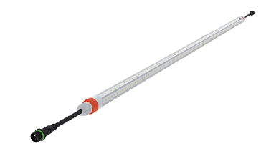 LED TUBE T8 WP6K-28WTD-F,V-Shape(150 ) Full Spectrum Broilers Version (Triac Dimmable) 1200mm long tube, 110lm/w. Total Lumen 3080, CRI >80, 150° V-SHAPE.498nm&625nm. AC220V,V-Shape patent design 270° aluminium radiator structures, Low heat, les than 50° C. No UV or IR light radiation, no mercury or other in-organics. Dimming technology from 0,2%-100%, invisible Flickering free, Humidity proof, Dust proof, Shatter proof and Waterproof with IP67. Anti ammonia & acid for poultry industrial lighting. 1200 mm length, 28 Watt power consumption, Triac Dimmable, VD: 0-10 V dimmable. 150° V-shape version.V-Shape(150 ) Full Spectrum Broilers Version (Triac Dimmable). 4x0.75mm2 EU Double-Ended Power Cable 365mm with Male and Female 2pins connector |  | PCS | 33 | $25.00 | $825.00

2 | PT+FC-2 pins (2 x 16AW (US) sjow) 4 meters long | Pig tail with one end 2 pins Female connector 2 x 16AW (US) sjow (2 pins with one male connector) Power Cable and 2 cables pig tail at the other end 4 meters long |  | PCS | 1 | $9.25 | $9.25
3 | PPC- 2 pins (1.5mm2) 3.261 meters long | Plug and Play cable with male and female connector, 2 x 16AW (US) sjow (2 pins with one male connector) Power Cable and 2 cables pig tail at the other end 3.261 meters long |  | PCS | 30 | $8.16 | $244.68
4 | PPC- 2 pins (1.5mm2) 0.57 meters Long | Plug and Play cable with male and female connector, 2 x 16AW (US) sjow (2 pins with one male connector) Power Cable and 2 cables pig tail at the other end 0.88 meters long |  | pcs | 3 | $2.58 | $7.74
5 | PPC- 2 pins (1.5mm2) 3.8 meters Long | Plug and Play cable with male and female connector, 2 x 16AW (US) sjow (2 pins with one male connector) Power Cable and 2 cables pig tail at the other end 3.8 meters long |  | PCS | 2 | $8.96 | $17.92
6 | PT+MC- 2 pins (2 x 16AW (US) sjow) 4 meters Long | Pig tail with one end 2 pins male connector 2 x 16AW (US) sjow (2 pins with one male connector) Power Cable and 2 cables pig tail at the other end 4 meters Long |  | PCS | 1 | $9.25 | $9.25
7 |  | Rubber T connector (Bracket 2 pin connector), male and female horizontal connectors, and one female connector on the bottom. 10 cm long each. 2 pins (2 x 16AW (US) sjow) FEMALE & MALE?CONNECTORS) |  | PCS | 3 | $4.50 | $13.50
8 | AMB-IDS-4000W-2C | 4000W Triac Dimmer (trailing edge) Unit (2 channels) 220-240 VACMaster Slave functionDimming Timing IntegrationIP66 Waterproof |  | PCS | 1 | $344.25 | $344.25
9 | Shipping fee | CIF to San Antonio Seaport |  | UN | 1

 |  |  |  | Total: |  | CIF | US$1,471.59

Tips:
Customer is responsible for all banking charges incurred from local bank and should not deduct from the order amount.
Bank Information:
Beneficiary Company: Shenzhen AMB Technology Co.,Ltd
Bank name: BANK OF NINGBO, SHENZHEN BRANCH
Account Number: 7305 2025 0000 25371
SWIFT Number: BKNBCN2NSHE
Bank Address: 4/F, HUANGTING PRODIUM BUILDING, JINTIAN ROAD, FUTIAN DISTRICT, SHENZHEN
 | Authorised Signature(s) |  |  |  | Authorised Signature(s)
 |  |  |  |  | Kevin Zheng
 | Comercial TSA ltda |  |  |  | SHENZHEN AMB TECHNOLOGY CO.,LTD.

